Foglio1
DATE | 2026-03-03
SEASON | AW26/27 BULK INSTRUCTION
CUSTOMER/LABEL | THE JACKIE LEATHER
SUPPLIER | PAKKAR
STYLE NAME | *ADELE KNIT
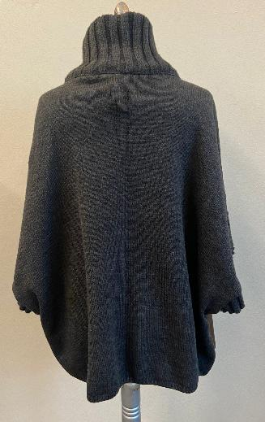 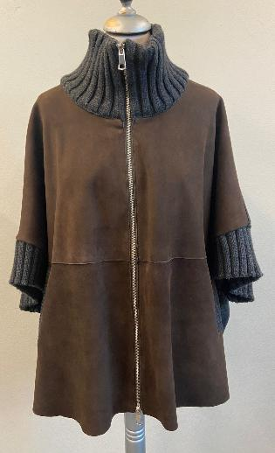 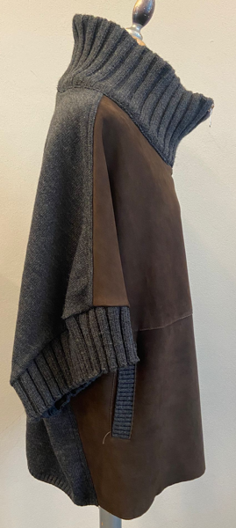 PICTURES
LEATHER QUALITY | *FRONT PANEL IN THIN SUEDE, SILKY HAND, BRILLIANT, SOFT WITH GOOD WRITING, THROUGH AND THROUGH DYED_FOR CLEAN CUT >AVOID GLUE STAINS ON SUEDE > FRONT PANELS BONDED WITH WOOLISH JERSEY art.NEW YORK -> PROVIDED BY US >> for leather and jersey bonding color combination please follow the scheme below >>>>THE BONDING METHOD MUST BE PROPERLY MADE TO AVOID DETACHES BETWEEN LEATHER AND JERSEY ON PANELS ANS ON SEAMS ALLOWANCE *SUBSTANCE: 0,35/0,4 MM , THIN AS POSSIBLE IN ORDER TO BE BONDED >>AVOID MISMATCHING COLOR PANELS >>AVOID FADED COLOR SKINS >>AVOID VEIN'S MARKS >>AVOID BUSHY SKINS >>AVOID OIL STAINS ........................................................... BACK, COLLAR, CUFFS AND POCKET'S PROFILE IN KNIT -> PROVIDED BY YOU FOR SUEDE AND KNIT COLOR COMBINATION PLEASE FOLLOW INFORMATION BELOW >> FOR BULK THESE KKNIT SET SHOULD BE ORDERED TO KEIGEE SUPPLIER AS PER SMS
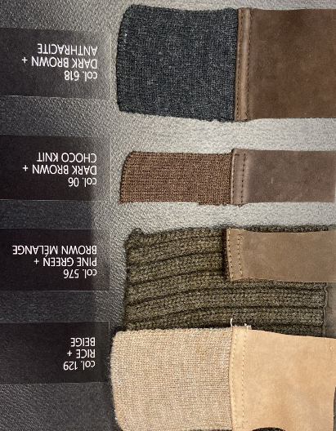
COLOUR | > col.129 RICE+BEIGE MELANGE -> FOR LEATHER COLOR TONE FOLLOW THE LEATHER SWATCH AT SIDE + BEIGE MELANGE KNIT > col.576 PINE GREEN+ BROWN MELANGE -> FOR LEATHER COLOR TONE FOLLOW SMS style#FRANCIS KNIT seal n°403 + BROWN MELANGE KNIT > col.06 DARK BROWN + MARRONE MELNAGE (CHOCO BROWN) -> FOR LEATHER COLOR TONE FOLLOW SMS style#ADELE KNIT seal n°409 + MARRONE MELANGE KNIT (CHOCO BROWN) > col.618 DARK BROWN + ANTHRACYTE -> FOR LEATHER COLOR TONE FOLLOW SMS style#ADELE KNIT seal n°409 + ANTHRACYTE KNIT
PATTERN | USING THE CORRET GRADED PATTERN name #ADELE+STACC-11-06-24-ZZ ALREADY ALREADY IN YOUR HANDS, YOU CAN PROCEED IN PRODUCTION

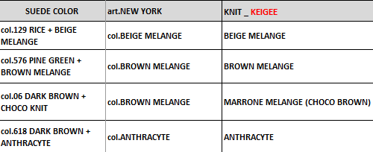
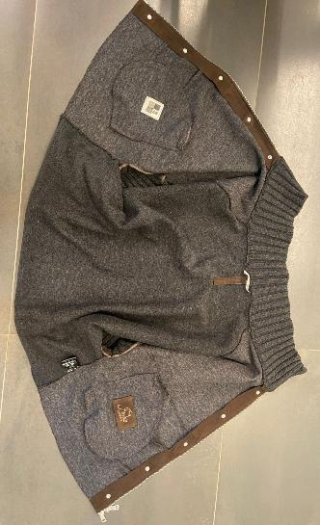 BODY LINING | *FRONT BODY IN BONDED SUEDE UNLINED. > BONDED SUEDE WITH WOOLISH JERSEY art.NEW YORK -> PROVIDED BY US >> FOR SUEDE AN art.NEW YORK JERSEY COLOR COMBINATION FOR BULK PLEASE FOLLWO SCHEME: _leather col.129 RICE -> bonded with jersey col.BEIGE MELANGE _leather col.576 PINE GREEN and 06 DARK BROWN + CHOCO BROWN -> bonded with jersey col.BROWN MELANGE _leather col. 816 DARK BROWN + ANTHRACYTE KNIT -> bonded with jersey col.ANTHRACYTE - >>PAY ATTENTION TO BOND THE WOOLISH JERSEY FOLLOWING THE CORRECT GRAIN LINE AND CORRECT TOP SIDE OF THIS FABRIC >FRONT FACING IN BONDED LEATHER, SEWN ON SUEDE SIDE -> OK AS PER SMS > TO MAKE A VISIBLE STITCHING AT THE EDGE AT FRONT FACING MARGIN >>THE WORKMANSHIP INSIDE MUST BE IMPROVED, THE INSIDE STITCHING SHOULD BE MADE USING THREAD MATCHING WOOLISH JERSEY COLOR, NOT MATCHING TO THE LEATHER *BACK KNIT UNLINED
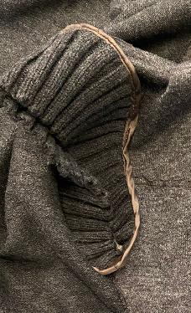 SLEEVES | > RIB'S JOINT BORDERED WITH NICE QUALITY OF POLYESTER FABRIC MATCHING LEATHER COLOR -> PROVIDED BY YOU > TAKE CARE TO SELECT COLOR OF FABRIC PERFECTLY MATCHING TO THE LEATHER COLOR >>PAY VERY ATTENTION TO DON'T HOLD OR PULL THE KNIT DURING THE ASSEMBLING SECTION > SEAM'S ALLOWANCE ON RIB AND CUFFS COVERED WITH A SMALL SUEDE STRIPE, CLEAN CUT WORKMANSHIP
AVOID C.BACK FOLD MARKS ON KNIT PANELS_ PAY ATTENTION
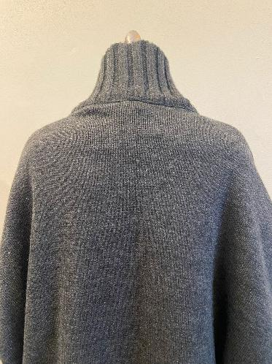 KNIT AND RIBS | BACK, COLLAR, CUFFS IN KNIT -> PROVIDED BY YOU >>THESE SETS SHOULD BE ORDERED TO KEIGEE SUPPLIER AS PER SMS *BACK PANEL -> PLAIN KNITTING GAUGE 4 , BOTTOM RIB HEIGHT 1,5 CM -> OK AS PER SMS *COLLAR IN DOUBLE RIB 3:3 -> PUT THE CORRECT NUMBER OF RIBS AND DON'T HOLD THE LEATHER ON NECKLINE BUT THAT CARE TO DON'T LOOSE THE COLLAR *CUFFS SINGLE RIB 3:3 *POCKET POFILE RIB 2:2 HORYZONTAL >>TAKE CARE TO THE KNIT QUALITY, THE RIB AND KNITTING SHOULD HAVE THE CORRECT WEAVING ORDERED >> TAKE CARE TO DON'T LOOSE THE RIB DURING THE ASSEMBLING SECTION ESPECIALLY ON CUFFS >>PAY ATTENTION DURING THE COLLAR RIB ASSEMBLING SECTION, AT JOINT BETWEEN NECKLINE AND ZIPPER AT FRONT MARGIN, THE RIB SHOULD NOT STOP THE ZIPPER SLIDING -> TAKE CARE >>AVOID VISIBLE FOLDES ON KNIT PANELS
ZIPPER | *FOR MAIN CLOSURE PLEASE USE METAL ZIPPER SBS N°5 DOUBLE SLIDER IN HIGH SHINY NICKEL FINISHING -> PROVIDED BY YOU -> OK AS PER SMS >>CHECK CAREFULLY THE CORRECT WORK OF ZIPPER, THE SLIDER SHOULD START CORRECTLY AND WORKS PROPERLY *METAL PULLER WITH SQUARED SHAPE TOP AND LOWER -> PROVIDED BY YOU -> OK PULLER SHAPE AS PER SMS *ZIPPER RIBBON SHOULD BE MATCHING LEATHER TONE, NOT DYED > VISIBLE ZIPPER TEETH > ZIPPER START FROM UPPER COLLAR MARGIN TO FRONT BOTTOM >>ZIPPER RIBBON NOT VISIBLE INSIDE, SEWN IN CLEANED WAY ON COLLAR AND FRONT FACING >>PAY VERY ATTENTION TO STITCH THE ZIPPER RIBBON IN ORDER TO HAVE A GOOD SLIDING OF METAL ZIPPER SLIDER, ESPECIALLY AT COLLAR JOINT, THE ZIPPER MUST NOT BE STOPPED BY RIB >> THE ZIPPER SHOULD BE PERFECTLY ALLIGNED ON TOP AND AT BOTTOM
10 CM
EMBROIDERY LABEL SHOULD BE STITCHED PARALLEL TO THE C.FRONT MARGIN
LABEL SHOULD BE STRAIGHT AND EMBOSSED LOGO MORE CLEAR AND READABLE_
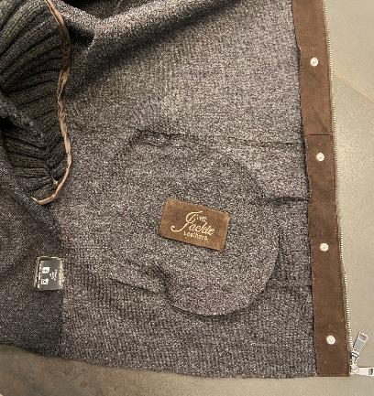 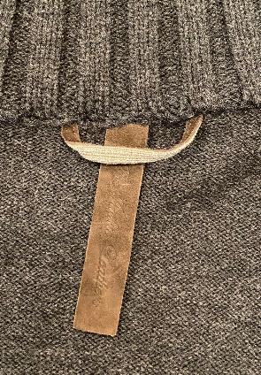 LABELLING | *1) EMBOSSED MAIN LABEL LABEL SHOULD BE STRAIGHT AND EMBOSSED LOGO MORE CLEAR AND READABLE >THE EMBOSSED LABEL SHOULD BE STITCHED PERFECTLY CENTERED ON C.BACK AND IT SHOULD BE STRAIGHT - EMBOSSED LOGO "THE JACKIE LEATHERS" ON DOUBLE LAYERS OF LEATHER PASTED TOGHETHER -SHOULD BE STITCHED TO THE COLLAR FACING IN VERTICAL WAY -PLEASE CUT MAIN LABEL SMALL AS MUCH POSSIBLE, LEAVING READABLE THE LOGO CM 10 X CM 2 *2) EMBRODERY MAIN LABEL PLEASE MAKE THE LOGO "THE JACKIE LEATHERS" EMBROIDERED ON A LEATHER PATCH TO BE STITCHED ON LEFT POCKET'S BAG, CENTERED > LABEL SIZE 9,5 cm width X 5,5 cm high >"THE" AND "LEATHERS" EMBROIDERED WITH THREAD MATCHING LEATHER COLOR >"JACKIE" EMBROIDERED WITH THREAD MATCHING LEATHER COLOR >FOLDED EDGES FIXED BY HANDS STITCH IN DIAGONAL IN THE ANGLES LEATHER HANGTAG WITH EMBRODERY HAVE THE EQUAL INSTRUCTION OF 2nd MAIN LABEL'S EMBRODERY > HANTAG IN LEATHER TREATED SAME AS PER GARMENT > HANTAG SIZE 13 cm width X 6 cm high > BACK PART SHOULD BE IN JERSEY USED FOR BONDING , FOLDED INSIDE, NOT CLEAN CUT -> PROVIDED BY YOU > FRONT AND BACK LAYERS SEW TOGHETHER ALL AROUND WITH 3mm STITCHING FROM THE EDGE. > STITCHING SHOULD BE MATCHING LEATHER COLOUR >LEATHER HANG TAG with nickel eyelet -------------------------------------- *PRINTED LABELS SEW AT LEFT WORN SIDE 1st PLACE *SIZE LABEL 2nd PLACE *FACEBOOK INSTAGRAM 3rd PLACE *IMPORTED BY 4th PLACE *WASH CARE LABEL 5th PLACE *MADE IN INDIA *THE PRINTED LABELS, PROVIDED BY YOU, SHOULD HAVE BLACK GROUND AND WHITE LETTERING STITCHED AT LEFT POCKET BAG MARGIN AT 10 CM FROM BOTTOM **THE CARTON HANGTAGS INFORMATION DOCUMENTS WILL BE SENT LATER AND THE CARTON TAGS ATTACHED TO SMS ARE NOT TO BE USED AS A REFERENCE FOR PRODUCTION

THE RIB INSIDE SHOULD BE WELL FINISHED, AVOID VISIBEL THREAD IN DIFFERENT COLOR OR THE YARNS USED TO JOINT THE RIB STRIPES BEFORE THE APPLICATION_ IMPROVE IT FOR BULK
SMS WRONG LOOP ATTACH
CORRECT WAY TO STITCH THE C.BACK LOOP IN BULK
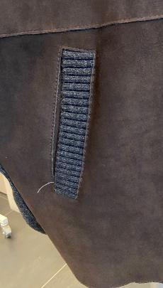 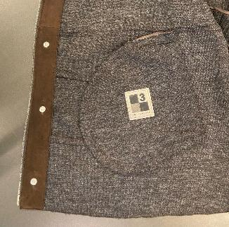 POCKETS | *FRONT LOWER POCKETS WITH KNIT RIB PROFILE , 3 CM WIDTH, SINGLE LAYER, RIB 2:2 HORYZONTAL >POCKET'S BAG: _ VISIBLE SIDE IN BONDED LEATHER (VISIBLE JERSEY SIDE) _ INSIDE PART NOT VISIBLE IN POLYESTER FABRIC MATCHING LEATHER COLOR -> PROVIDED BY YOU >> POCKET'S BAG FIXED AT FRONT PANEL BY BONDED LEATHER STRIPE, VISIBLE JERSEY SIDE, WITH STITCHING AT THE EDGE >>PAY ATTENTION TO DON'T HOLD OR MARKS THE FRONT PANEL OUTSIDE WITH HAND'S STITCH >>THE STITCHING INSIDE MUST BE PERFECTLY MATCHING TO THE JERSEY INSIDE - >> THE RIB INSIDE SHOULD BE WELL FINISHED, AVOID VISIBLE THREAD IN DIFFERENT COLOR OR THE YARNS USED TO JOINT THE RIB STRIPES BEFORE THE APPLICATION _ IMPROVE IT FOR BULK
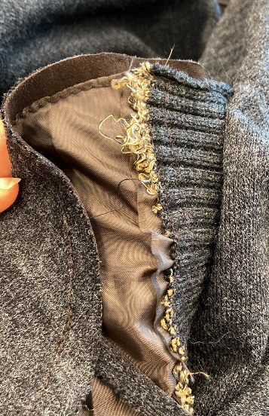 STITCHING | *CLEAN CUT WORKMANSHIP WITH VISIBLE STITCHING AT THE EDGE FOR FRONT ZIPPER, BOTTOM BODY, HORYZONTAL CUT AND POCKETS *CLEANED WORKMANSHIP, NORMAL SEAMS FOR CUFF, SHOULDER AND SIDES, JOINT WITH KNIT PARTS THE SIDE'S SEAM'S ALLOWANCE AT JOINT BETWEEN LEATHER AND KNIT SHOULD BE WELL FINISHING INSIDE AND OUTSIDE > FOR SEAMS BETWEEN LEATHER AND KNIT PLEASE USE A NICE QUALITY OF THREAD MATCHING KNIT COLOR AND CORRECT QUALITY FOR BOTH MATERIALS TO AVOID LEATHER OR KNIT BREAKS > FOR VISIBLE STITCHING PLEASE USE A NICE QUALITY OF THREAD MATCHING LEATHER COLOR OUTSIDE AND MATCHING JERSEY COLOR INSIDE
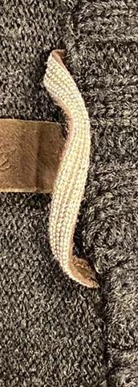 | *LEATHER LOOP ON C.BACK NECKLINE WITH "BIG CHAIN" ATTACHED OVER >>"BIG CHAIN" SILVER FINISHING -> PROVIDED BY US >> C.BACK LOOP SHOULD BE ALWAYS IN SILVER FINISHING >THE FINAL LENGTH OF LOOP SHOULD BE 8 CM LONGER , FROM SIDE TO SIDE >>PAY VERY ATTENTION TO THE LEATHER LOOP WORKMANSHIP, IT MUST BE PERFECTLY CENTERED ON BACK > TO SEW THE CHAIN PLEASE USE THREAD col.LIGHT GREY TO AVOID VISIBLE STITCHING UNDER THROUGH THE CHAIN
 | GENERAL WORKMANSHIP SHOULD BE IMPROVED FOR BULK >PAY VERY ATTENTION TO DON'T RUIN AND DON'T STAIN THE SUEDE AND FABRIC DURING THE ASSEMBLING SECTION > AT FRONT LEATHER PANEL THE PANELS MUST BE PARALLEL AND SYMMETRICAL > AVOID GATHERING AROUND STITCHING > AVOID INSIDE PARTS WITH VISIBLE FLESH LEATHER, NOT BONDED > THE KNIT SHOULD BE SOFT ON PLAIN PANELS AND ON RIBS IN ALL ORDERED KNIT COLORS > AVOID MISMATCHING COLOR PANELS > INSIDE WORKMANSHIP, THE SEAM'S ALLOWANCE SHOULD BE WELL FINISHED AND CLEANED > CLEAN CUT WORKMANSHIP SHOULD BE STRAIGHT AND PRECISE IN ALL STITCHING LENGTH > AVOID BURNED MARGIN > ALL BUTTONS MUST BE WELL FIXED TO AVOID EASILY DETACHES , IMPROVE IT >THE JERSEY MUST BE ATTACHED PERFECTLY ALSO AT SEAM'S ALLOWANCE TO AVOID ANY DETACHES > THE JERSEY ON CLEAN CUT PARTS MUST CUT STRAIGHT AND PRECISE, NOT JAGGED. >AVOID DARK STAINS ON SKINS/AVOID GLUE STAINS ON SUEDE >PAY ATTENTION TO DON'T CUT THE LEATHER FOR NOTCH TO AVOID VISIBLE CUTS > AVOID PENDING YARNS > ALL STITCHING SHOULD BE WELL FIXED UNTIL THE END > PAY ATTENTON DURING THE COLLAR ATTACH, DON'T CARRY ON THE LEATHER AND AVOID GATHERING

PACKING & SHIPMENT PAY ATTENTION – AVOID BUTTON MARKS ON BACK PANEL IMPROVE PACKING/PROCESS TO PREVENT DEEP MARKS TAKE CARE TO PROTECT HANGED LABELLING IN ORDER TO DO NOT LEAVE IMPRESSION ON THE JACKET

